Search.java
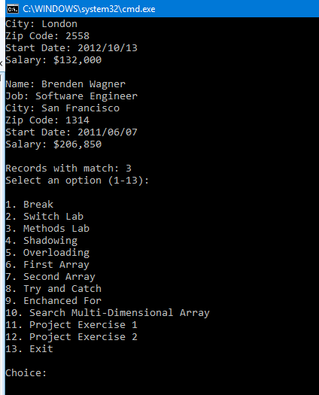
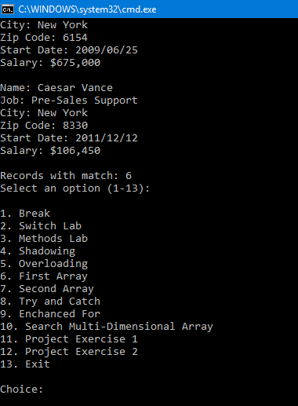
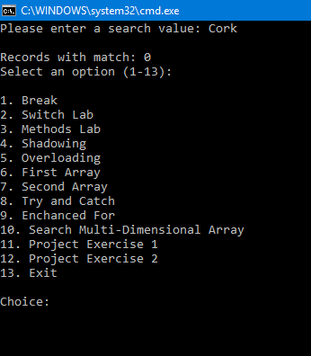
# | Test Case | Expected Result | Actual Result | Pass/Fail
1 | Program prompts the user to enter a search value | User can enter a search term | As expected | Pass
2 | User enters the search value Software Engineer | 3 matches are found -Refer to screen shot below | As expected | Pass
3 | User enters the search value New York | 6 matches are found -Refer to screen shot below | As expected | Pass
4 | User enters the search value Cork | 0 matches are found - Refer to screenshot below | As expected | Pass

 | 2 |  | 3 |  | 4

Convert.java
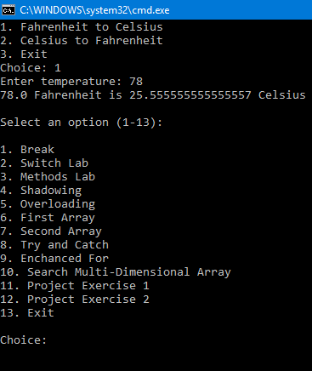
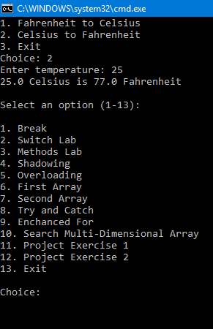
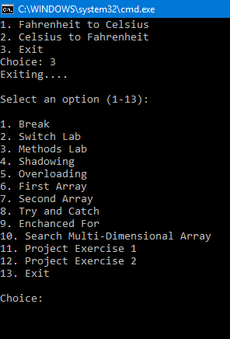
# | Test Case | Expected Result | Actual Result | Pass/Fail
1 | Program prompts the user to enter a search value | User can enter a search term | As expected | Pass
2 | User enters the search choice 1 | User can enter a temperature which then converts to correct sum given to convert | As expected | Pass
3 | User enters the search choice 2 | User can enter a temperature which then converts to correct sum given to convert | As expected | Pass
4 | User enters the search choice 3 | Exiting the application | As expected | Pass

2 |  |  | 3 |  | 4

